Sayfa1
Single Phase Transformer Design

Inputs |  |  |  | Results
Primary Voltage | = | 34.5 | kV | Dimensions |  |  |  | Efficiency & Loss Analysis
Secondary Voltage | = | 0.4 | kV | Primary Number of Turns, Np | = | 1294 | turns | Primary Winding Resistance, Rp | = | 4.0 | Ω
Secondary Number of Turns, Ns | = | 15 | turns | Secondary Current, Is | = | 2500 | A | Secondary Winding Resistance, Rs | = | 0.5 | mΩ
Rating of Transformer | = | 1000 | kVA | Primary Current, Ip | = | 29.6 | A | Primary Copper Loss | = | 3.5 | kW
Peak Flux Density in Core, Bmax | = | 2 | T | Core Cross Section Area | = | 600 | cm2 | Secondary Copper Loss | = | 3.4 | kW
Operating Frequency | = | 50 | Hz | Width of Core, x | = | 24.5 | cm | Core Loss | = | 1.6 | kW
Current Density, J | = | 4 | A/mm2 | Primary Wire Area | = | 7.4 | mm2 | Total Loss | = | 8.5 | kW
Fill Factor | = | 0.6 | - | Secondary Wire Area | = | 625 | mm2 | Efficiency | = | 99.0 | %
Density of Core | = | 7750 | kg/m3 | Window Area | = | 316 | cm2
Density of Copper | = | 8960 | kg/m3 | Core Outer Length, Lcore | = | 17.8 | cm
Core Loss | = | 2 | W/kg |  |  |  |  | Inductance Calculation
Power Factor | = | 0.8 | - | Weight Analysis |  |  |  | Reluctance of Core | = | 22408.6 | A/Wb
Relative Permeability of Core | = | 1000 | - | Total Length of Primary Winding | = | 1728 | m | Magnetizing Inductance, Lm | = | 74.7 | H | ?
Copper Cost | = | 10 | $/kg | Mass of Primary Winding | = | 114 | kg | Leakage Inductance | = | 3.0 | H | yanlıs. Base impedance dan yola cıkılacak
Core Material Cost | = | 3 | $/kg | Total Length of Secondary Winding | = | 20.0 | m | Total Inductance | = | 77.7 | H
Current Exchange Rate | = | 3.9 | ₺/$ | Mass of Secondary Winding | = | 112 | kg
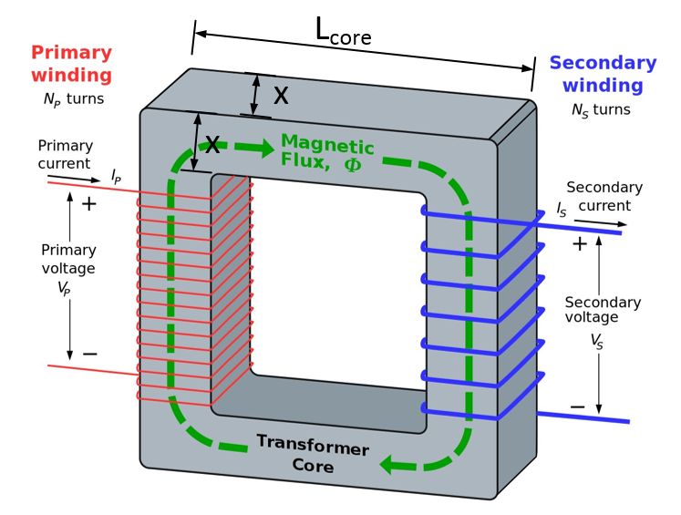
 |  |  |  | Total Copper Mass | = | 227 | kg | Cost Analysis
 |  |  |  | Core Volume | = | 0.10 | m3 | Core Cost | = | 9,206.9 | ₺
 |  |  |  | Core Mass | = | 787 | kg | Copper Cost | = | 8,840.8 | ₺
 |  |  |  | Total Mass | = | 1014 | kg | Total Cost | = | 18,047.7 | ₺

